Sheet1
 |  | Document No. | Issue No. | Issue Date |  | Review and Replace Date |  | Authorised By
 |  | GFF228MC | 1 | 23.09.2020 |  | New Issue |  | Magda Shah
 |  | Document Title | CHICKEN TIKKA PAKORA WITH MINT RAITA DIP 180g
Document amendments reason for change |  | New product launch |  |  | Page 1 of 1 | Previous Issue Date | New Issue | Uncontrolled copy unless signed original

CCTPKB-1R6TEB | BOOTHS AYR |  | CHICKEN TIKKA PAKORA WITH MINT RAITA DIP 180g
STEP 1 |  |  |  |  | STEP 2
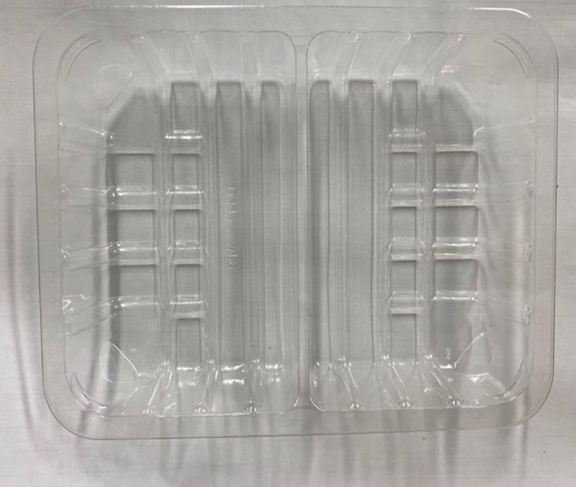

Tray: SK4-SPLIT CLEAR (PKESS001-06) |  |  |  |  | Chicken Tikka Pakora (GFF328R): 140g Minimum 5 pieces
Film: ME410AFV2, 410mm wide x 1000m linear PET Antifog WELD seal (PKPRO001-12)
STEP 3 |  |  |  |  | STEP 4
FROZEN
1 YEAR
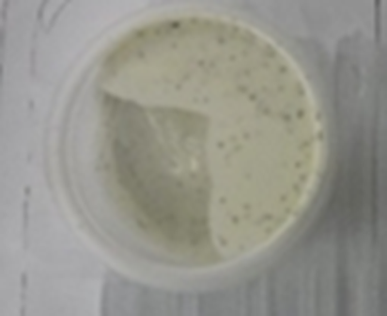 |  |  |  |  | 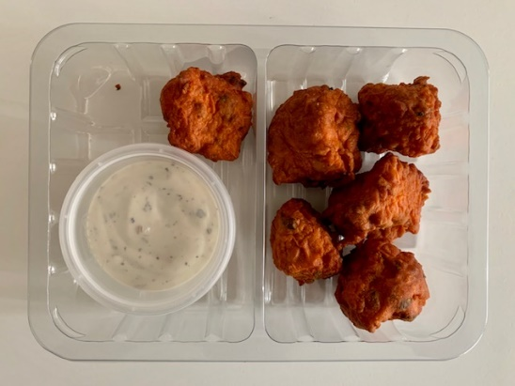

DEFROST DAY
+ 18 DAYS

COOK
+ 20 DAYS

Lion Yogurt & Mint Dressing (RMBRA001-10): 40g |  |  |  |  | TOTAL WEIGHT: 180g
Satco 2oz Pots with Lids (PKJEN001-03)
ALLERGY ALERT: Egg, Milk, Sulphites

